Stack-UP
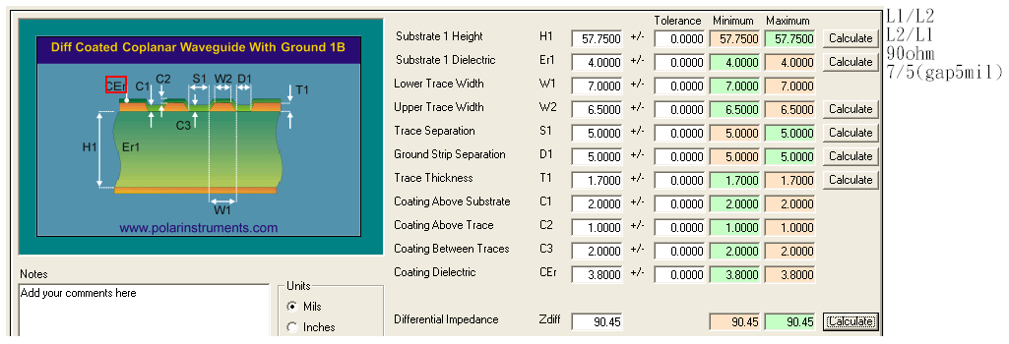
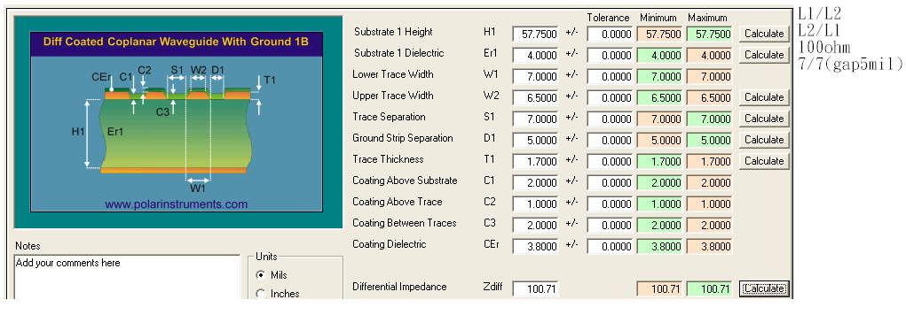
4 Layer PCB Design

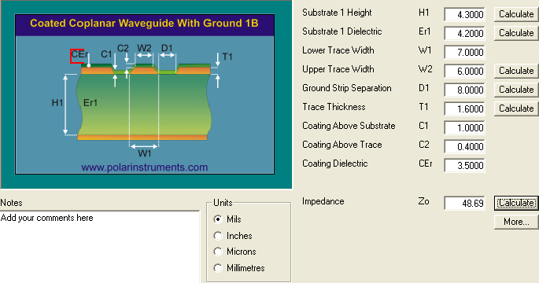
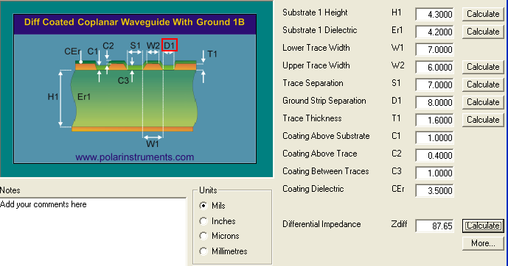

L1&L4-- 8-7-8---50 OHM
L1&L4--8/7/7/7/8--90 OHM


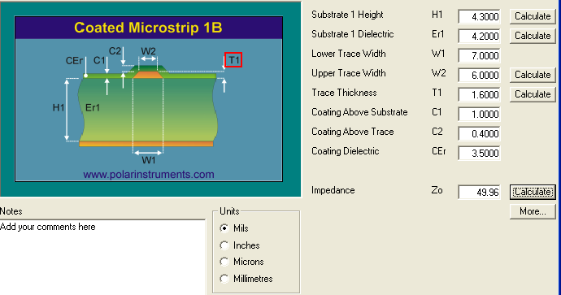

L1&L4--8/5/6/5/8--100 OHM
L1&L4--7MIL--50 OHM

2 Layer PCB Design

 | PCB Stack Up |  |  |  |  |  |  | Impedance

 | Layer | Type |  | Thickness (mil) |  |  | DK |  |  | Diff |  |  |  | Diff
 | Top side solder mask |  |  |  | 1.00 | mils |  | 線寬 / 線距(mil) | 參考層 | ohm值(±10%) | 理論值 | 線寬 / 線距(mil) | 參考層 | ohm值(±10%) | 理論值
 | L1 | TOP | Differential & Signal | copper+plating | 1.70 | mils |  | 14/5 | L2 | 90 | 89.99 | 8.5/5 | L2 | 100 | 99.56
 |  |  |  | core | 57.75 | mils | 4
 | L2 | Bottom | Differential & Signal | copper | 1.70 | mils |  | 14/5 | L1 | 90 | 89.99 | 8.5/5 | L1 | 100 | 99.56
 | Bottom side solder mask |  |  |  | 1.00 | mils
 | TOTAL |  |  |  | 63.15 | mils
 |  |  |  |  | 1.60 | mm

 | PCB Stack Up |  |  |  |  |  |  | Impedance

 | Layer | Type |  | Thickness (mil) |  |  | DK |  |  | Diff |  |  |  | Diff
 | Top side solder mask |  |  |  | 1.00 | mils |  | 線寬 / 線距(mil) | 參考層 | ohm值(±10%) | 理論值 | 線寬 / 線距(mil) | 參考層 | ohm值(±10%) | 理論值
 | L1 | TOP | Differential & Signal | copper+plating | 1.70 | mils |  | 7/5(gap5mil) | L2 | 90 | 90.45 | 7/7(gap5mil) | L2 | 100 | 100.71
 |  |  |  | core | 57.75 | mils | 4
 | L2 | Bottom | Differential & Signal | copper | 1.70 | mils |  | 7/5(gap5mil) | L1 | 90 | 90.45 | 7/7(gap5mil) | L1 | 100 | 100.71
 | Bottom side solder mask |  |  |  | 1.00 | mils
 | TOTAL |  |  |  | 63.15 | mils
 |  |  |  |  | 1.60 | mm

 | PCB Stack Up |  |  |  |  |  |  | Impedance

 | Layer | Type |  | Thickness (mil) |  |  | DK |  |  | Diff |  |  |  | Diff
 | Top side solder mask |  |  |  | 1.00 | mils |  | 線寬 / 線距(mil) | 參考層 | ohm值(±10%) | 理論值 | 線寬 / 線距(mil) | 參考層 | ohm值(±10%) | 理論值
 | L1 | TOP | Differential & Signal | copper+plating | 1.70 | mils |  | 20(gap5mil) | L2 | 50 | 49.18
 |  |  |  | core | 57.75 | mils | 4
 | L2 | Bottom | Differential & Signal | copper | 1.70 | mils |  | 20(gap5mil) | L1 | 50 | 49.18
 | Bottom side solder mask |  |  |  | 1.00 | mils
 | TOTAL |  |  |  | 63.15 | mils
 |  |  |  |  | 1.60 | mm

XTAL
XTAL
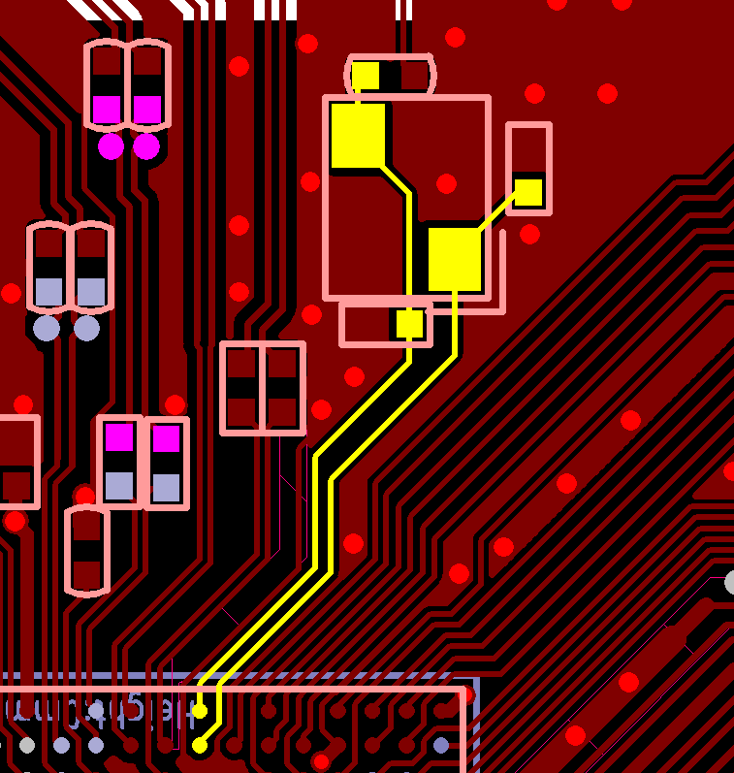

XPTL_XI/XO keeps clearance a least 8 mil between each other

GND guard and Cu keeps out avoid interference

USB3
SSUSB trace fan out

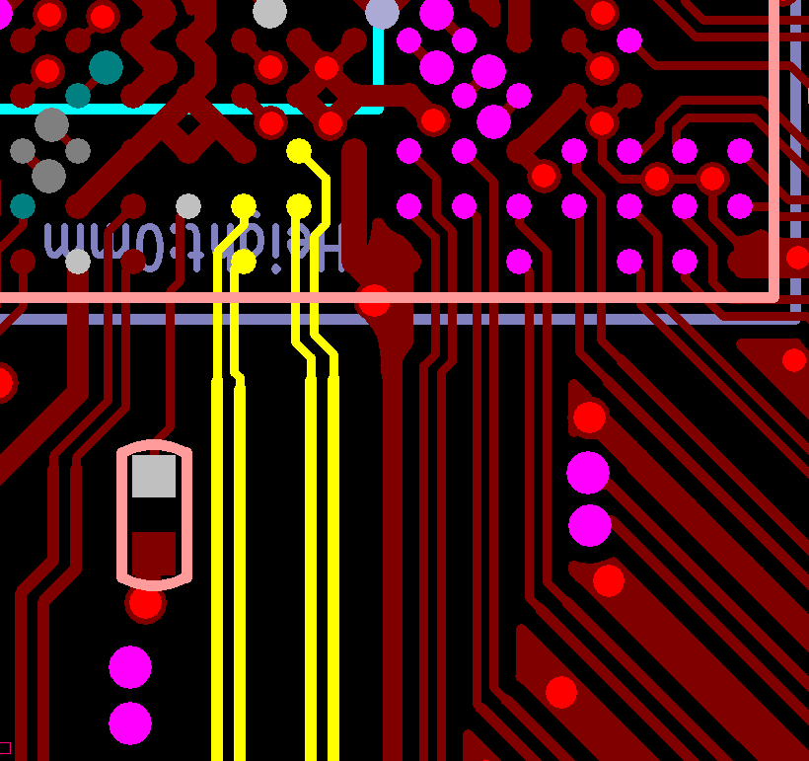

SSUSB_RXP/RXN Fan out width/gap 4/4

SSUSB_RXP/RXN 2nd section width/gap 5.5/5

SSUSB component layout

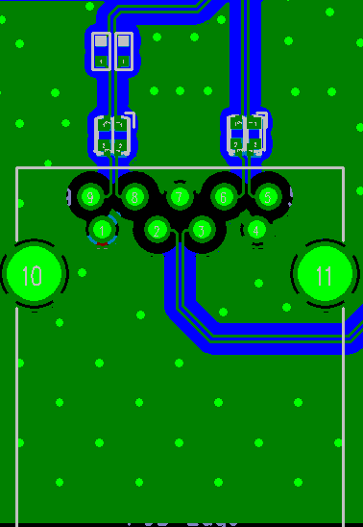
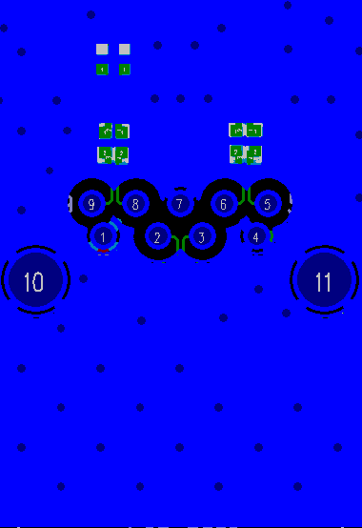
SSUSB TX/RX AC-coupling cap

SSUSB TX/RX pair common mode filter

 | Routing Layer (Layer1) | Inner Layer (Layer2)

SSUSB Reference Plane
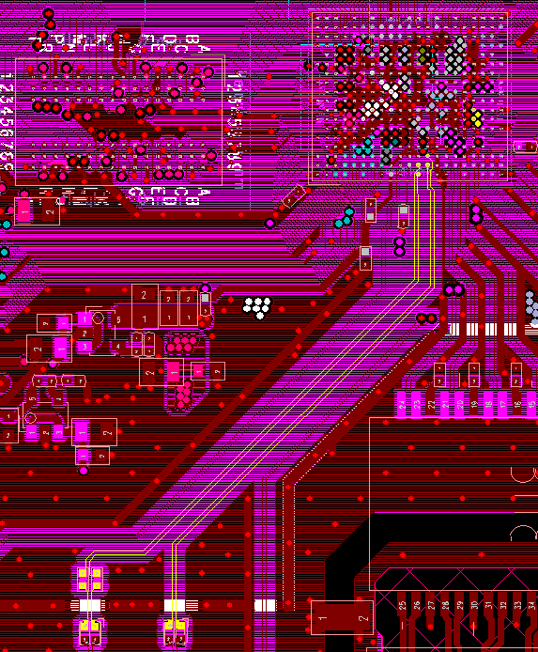

SSUSB TX/RX has complete reference plane

USB2
USB2 Reference Plane

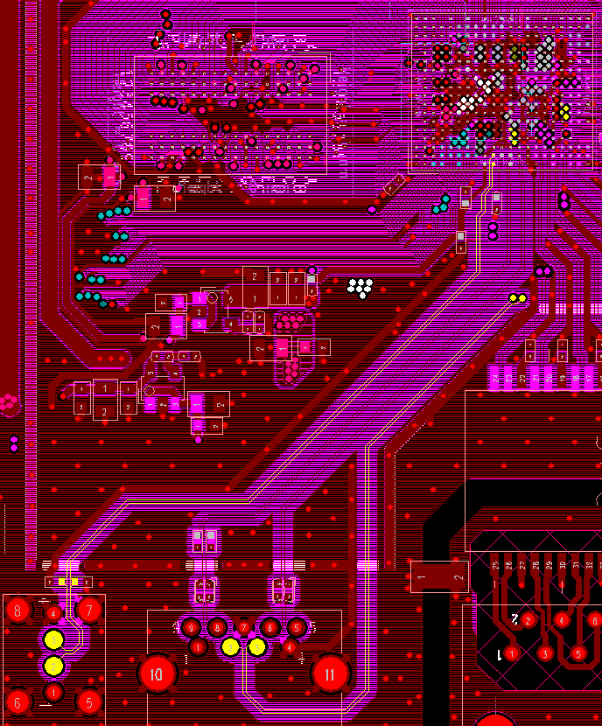

DP/DM has complete reference plane

USB2 change routing layer

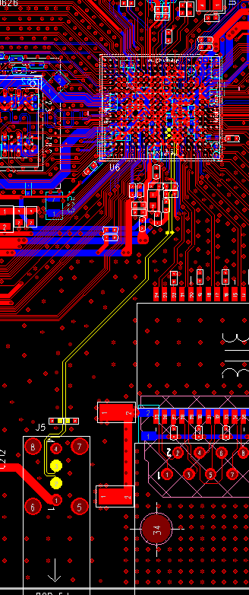

DP/DM change routing layer from bottom to top

PCIe
PCIe Trace Fan out
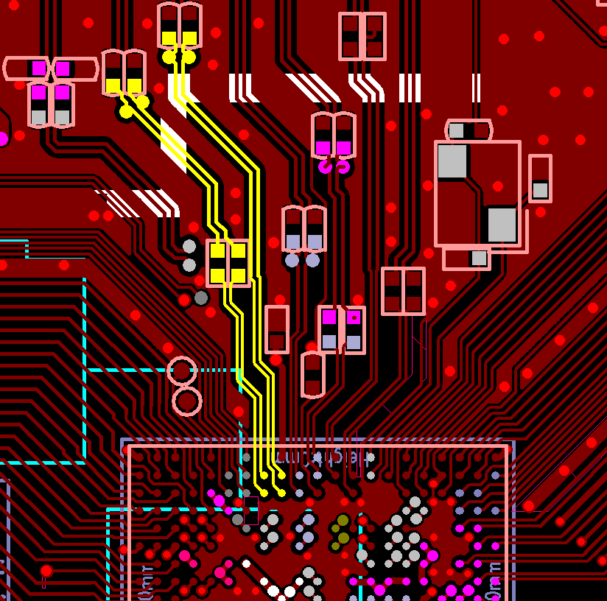

2 section width/gap = 5mil/6mil

1 section width/gap = 4mil/4mil

PCIe component layout
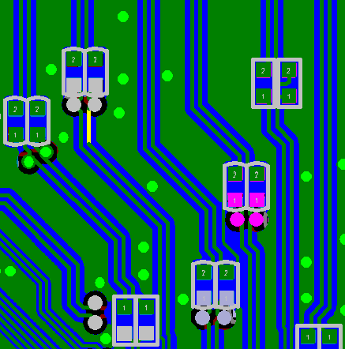
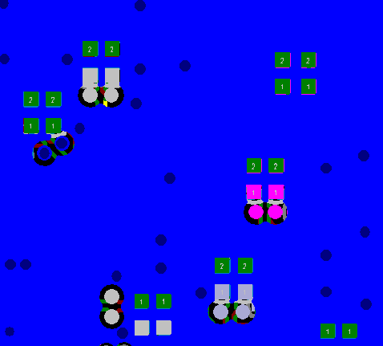

serial components and AC-coupling capacitor

 | Routing Layer (Layer1) | Inner Layer (Layer2)

DDR3
DDR3 Group Trace/Gap

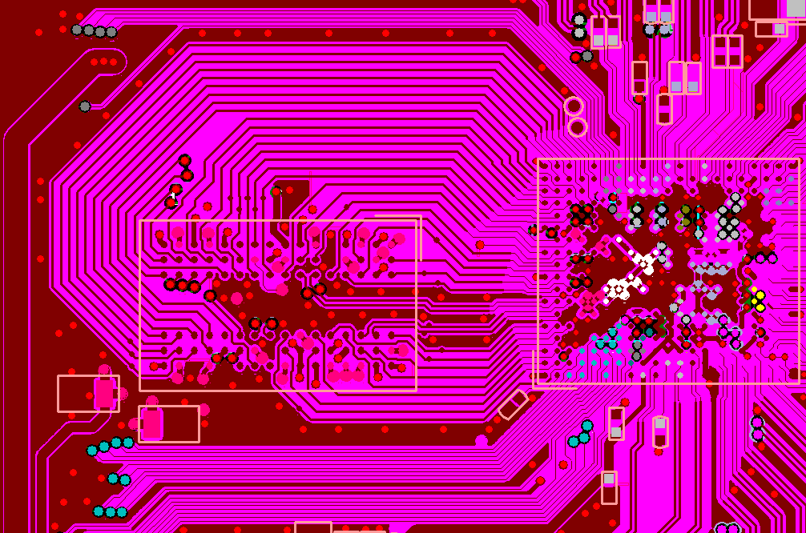

4Layer
DQ/CMD/Address group trace width 12mil, gap 5mil

DQS/DQS_ Differential Routing

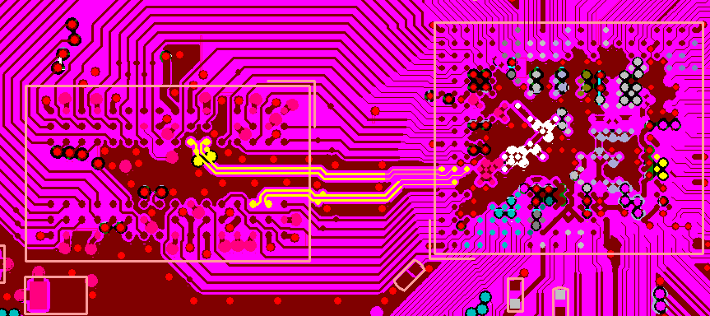

4Layer
RDQS0 / RDQS0_ ; RDQS1 / RDQS1_
Keeps differential routing

RCLK/RCLK_ trace length tuning

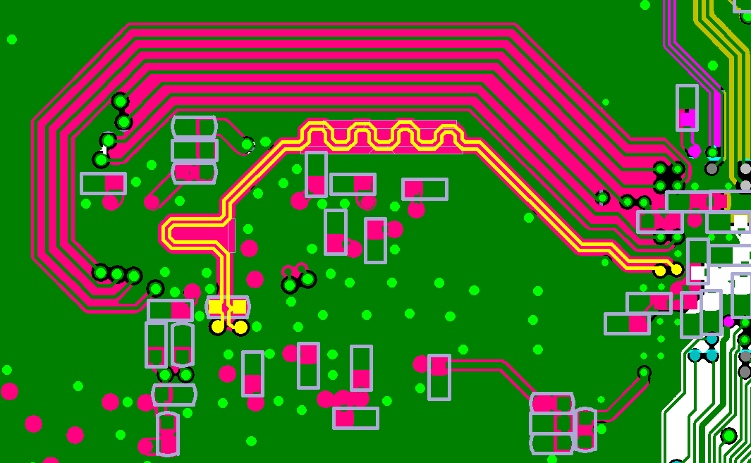

4Layer
RCLK/ RCLK_ length maching with average of CMD/ADDRESS Group

DRAM Power Plane

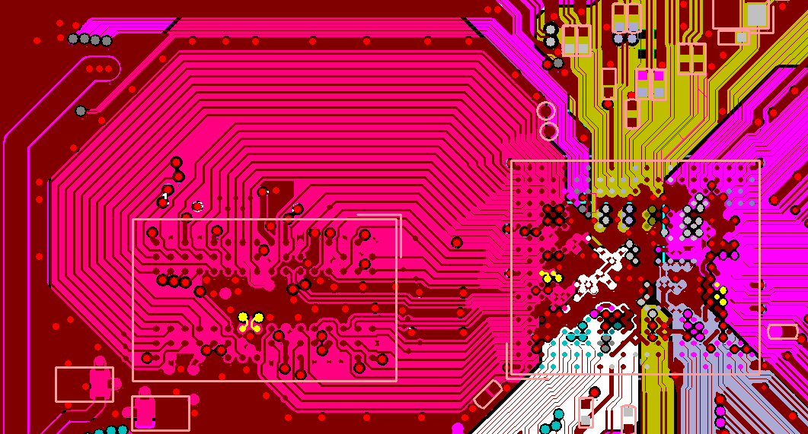

4Layer
Pink color is the DRAM power plane at layer3, it should be cover the DRAM all signal group range

DDR2
2L DDR2 Routing Rule

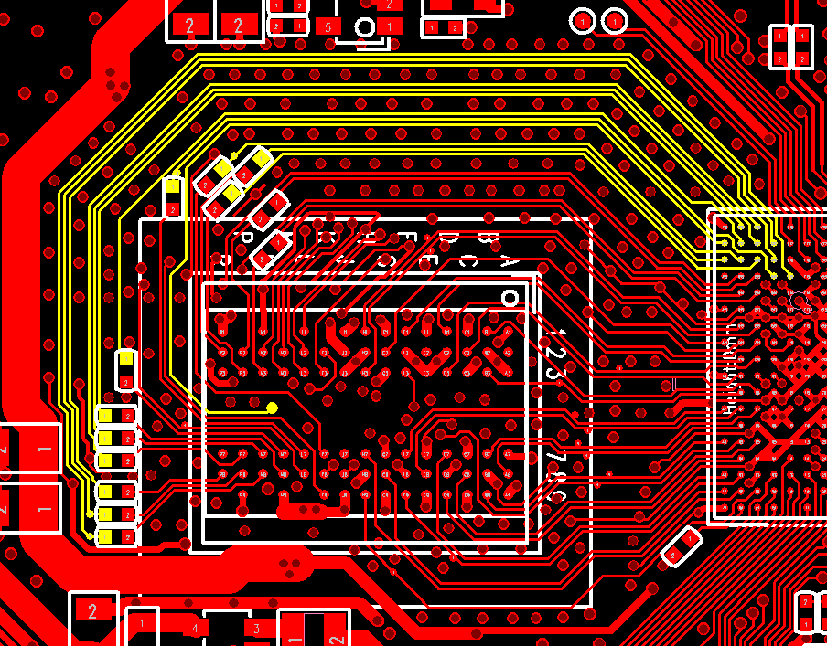
2 Layer
3 signal as one group, and has GND guard near by.

RGMII
RGMII trace gap

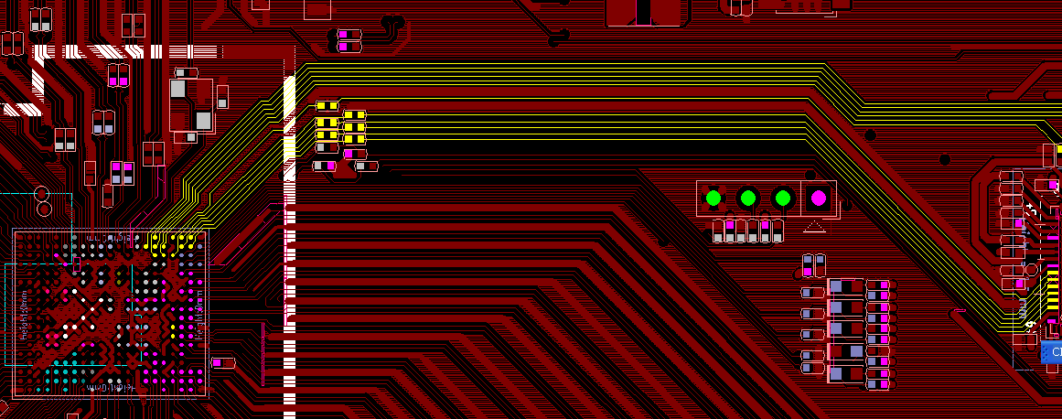
RGMII TX/RX group, the gap between trace keeps 2x trace width

GPHY
GPHY 2KV surge
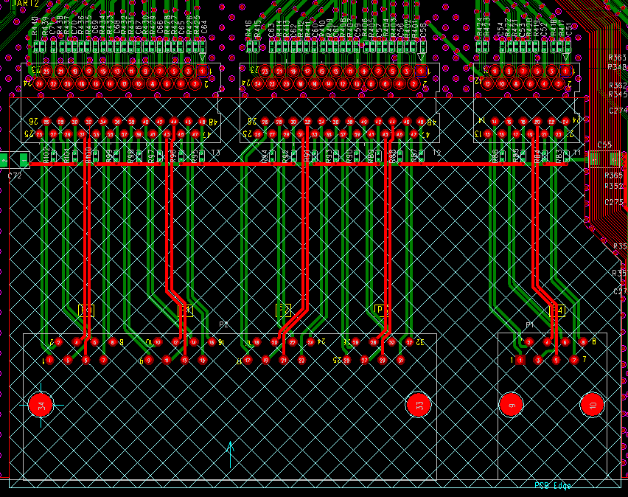

RGMII TX/RX group, the gap between trace keeps 2x trace width

GPHY trace routing
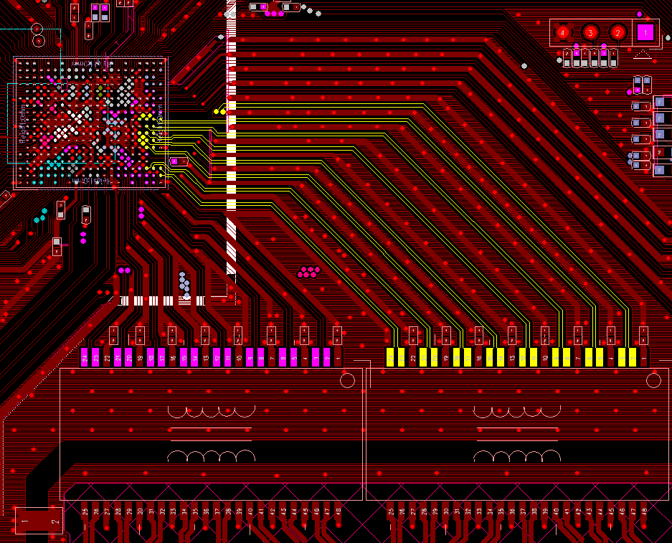

Each differential pairs must differential routing, and has GND trace guard to avoid cross talk.

Power
Regulator Placement

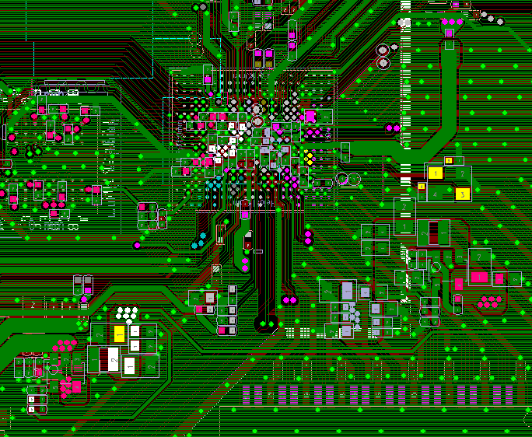

MT7621A

1.0V buck placement near MT7621A
Set a power plane if 4Layer design

1.1V buck placement near MT7621A
Set a power plane if 4Layer design

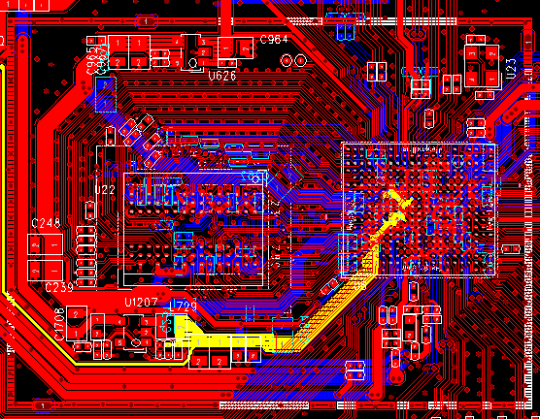

2Layer PCB
1.1 buck is near MT7621A, power trace width is about 55mil

DVDDK power via

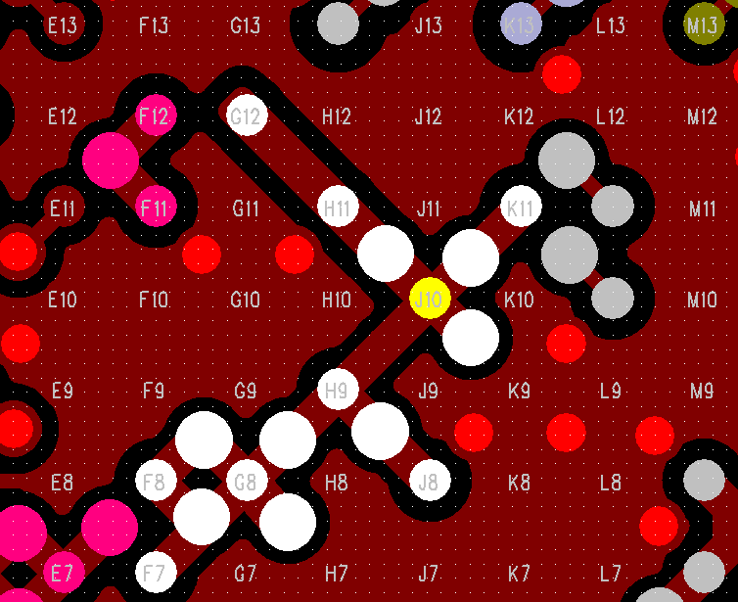

4Layer PCB
DVDDK power via at least 7ea (HDK V11 has via 8ea)

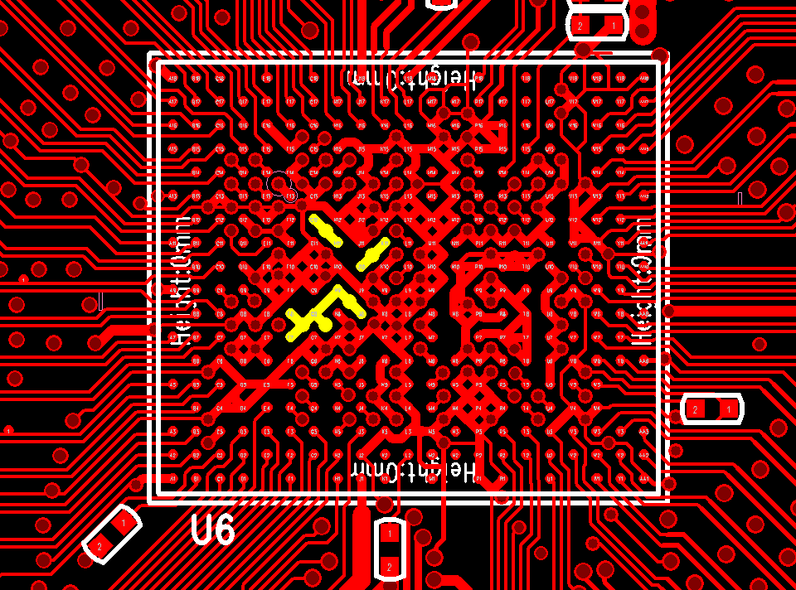

2Layer PCB
DVDDK power via only 5ea,
but it also has another 4.7uF near MT7621A power pin

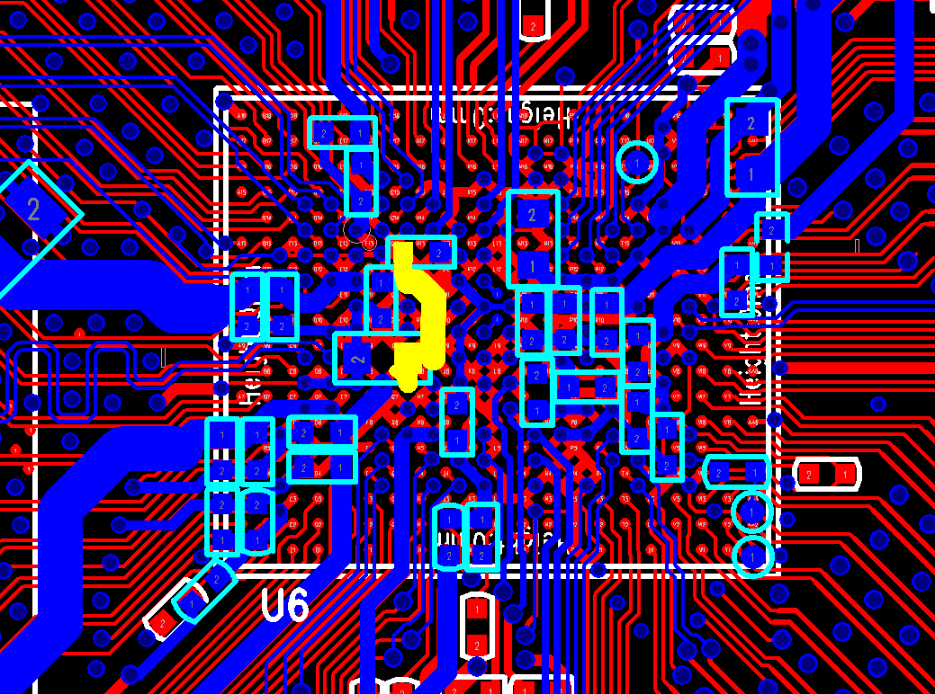

 | DDR2 Power Trace

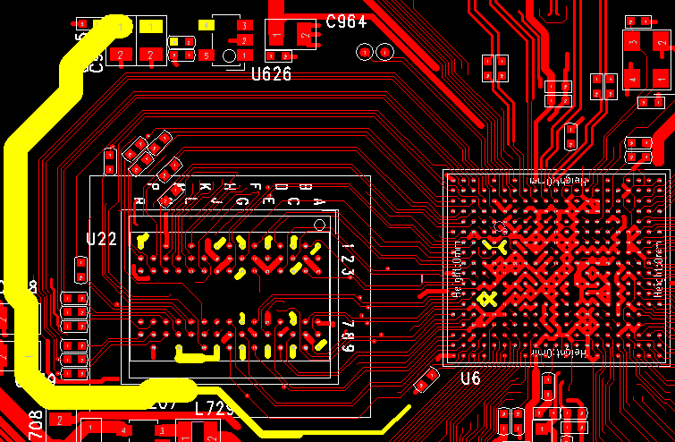
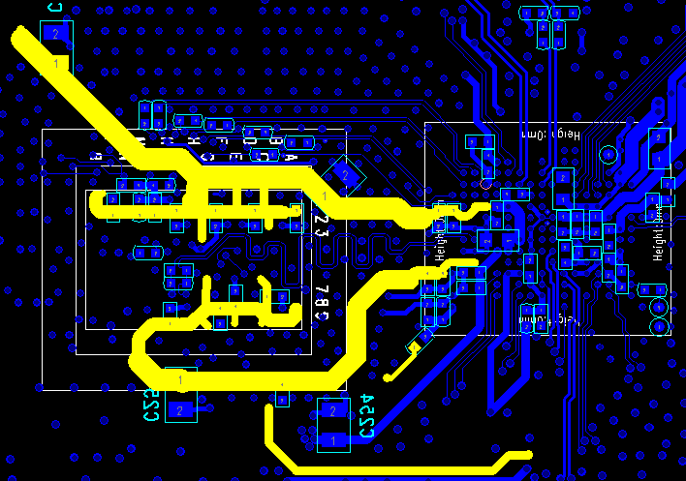

LDO placement near DRAM
60mil width power trace
50mil width power trace
and branch to loading

De-sense
Shielding

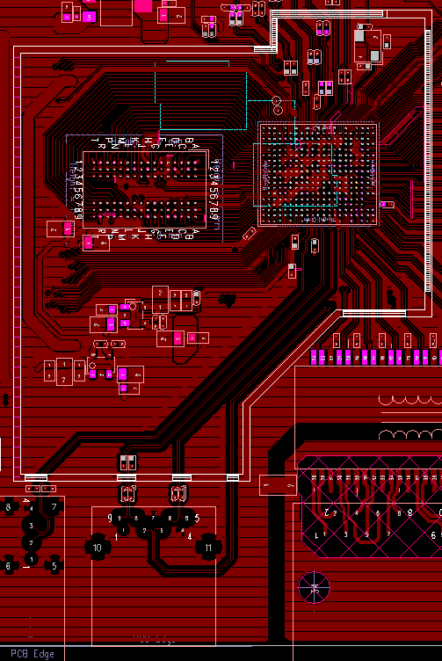

Reserved shielding case

shielding case range cover to USB 3.0 connector

